Sheet1
Your Vehicle: 2008 Toyota Truck RAV4 2WD L4-2.4L (2AZ-FE)

 | Vehicle » Maintenance » Vehicle Lifting » Service and Repair

 | Service and Repair

INTRODUCTION: REPAIR INSTRUCTION: VEHICLE LIFT AND SUPPORT LOCATIONS

VEHICLE LIFT AND SUPPORT LOCATIONS

1. NOTICE ABOUT VEHICLE CONDITION WHEN JACKING UP VEHICLE

(a) | The vehicle must be unloaded before jacking up / lifting up the vehicle. Never jack up / lift up a heavily loaded vehicle.
(b) | When removing heavy parts such as the engine and transmission, the center of gravity of the vehicle may shift. To stabilize the vehicle, place a balance weight in a location where it will not roll or shift, or use a mission jack to hold the jacking support.

2. NOTICE FOR USING 4 POST LIFT

(a) | Follow the safety procedures outlined in the lift instruction manual.
(b) | Use precautionary measures to prevent the free wheel beam from damaging tires or wheels.
(c) | Use wheel chocks to secure the vehicle.

3. NOTICE FOR USING JACK AND SAFETY STAND

(a) | Work on a level surface. Use wheel chocks at all times.
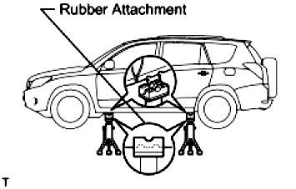

(b) | Use safety stands with rubber attachments as shown in the illustration.
(c) | Set the jack and safety stands to the specified locations of the vehicle accurately.
(d) | When jacking up the vehicle, first release the parking brake and move the shift lever to N.
(e) | When jacking up the entire vehicle:

When jacking up the front wheels first, make sure wheel chocks are behind the rear wheels.
When jacking up the rear wheels first, make sure wheel chocks are in front of the front wheels.

(f) | When jacking up only the front or rear wheels of the vehicle:

Before jacking up the front wheels, place wheel chocks on both sides of the rear wheels.
Before jacking up the rear wheels, place wheel chocks on both sides of the front wheels.

(g) | When lowering a vehicle that only has its front or rear wheels jacked up:

Before lowering the front wheels, make sure wheel chocks are in front of the rear wheels.
Before lowering the rear wheels, make sure wheel chocks are behind the front wheels.

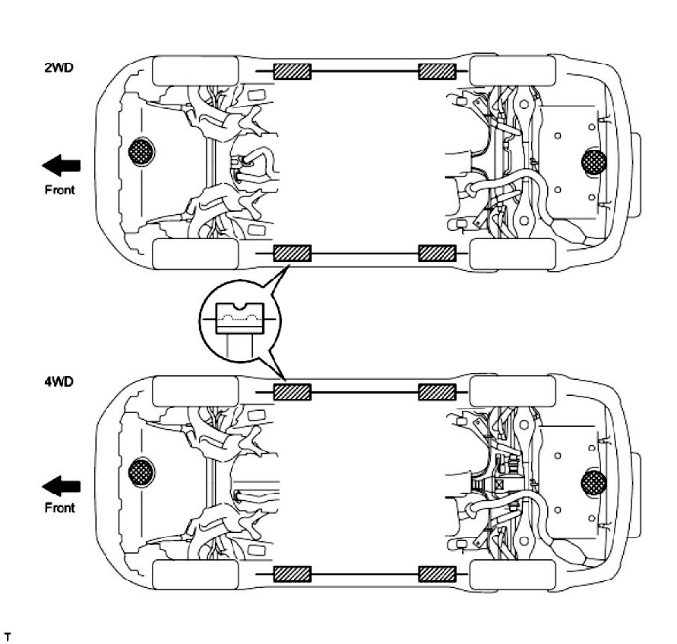

(h) | It is extremely dangerous to perform any work on a vehicle raised on a jack alone, even for work that can be finished quickly. Safety stands must be used to support it.

4. NOTICE FOR USING SWING ARM TYPE LIFT

(a) | Follow safety procedures outlined in its instruction manual.
(b) | Use a swing arm equipped with a rubber attachment, as shown in the illustration.
(c) | When using the lift, make sure that the vehicle is stabilized so that it will not tilt while work is being performed. Stabilize the vehicle by adjusting the lift arm's length and vehicle's position.
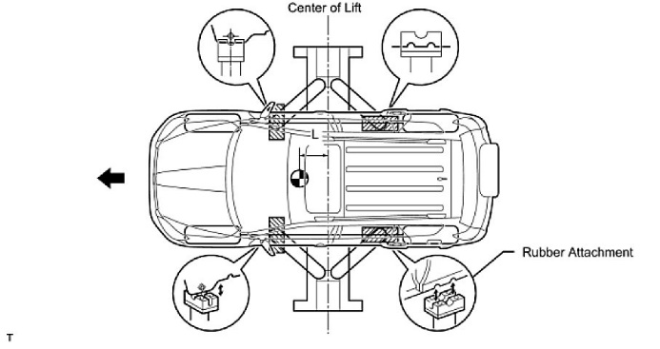
(d) | When using the lift, its center should be as close to the vehicle's center of gravity as possible (length of "L" in the illustration should be as short as possible).

(e) | Set the vehicle on the lift as level as possible. Then match the groove of the cradle to the rigid rack support location.
(f) | Be sure to lock the swing arms before lifting and during work (if equipped with arm locks).
(g) | Lift the vehicle up off the ground. Stand at a safe distance and shake the vehicle to check its stability.

5. NOTICE FOR USING PLATE TYPE LIFT

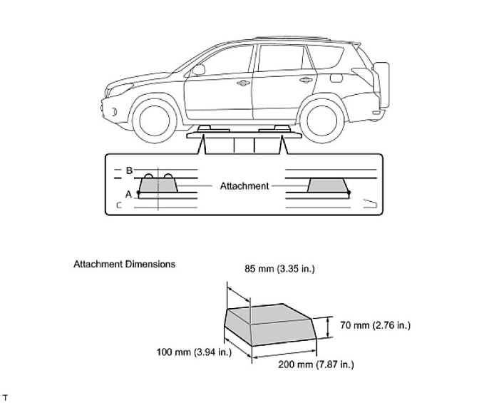
(a) | Follow safety procedures outlined in its instruction manual.
(b) | Use plate lift attachments (rubber lifting blocks) on top of the plate surface.
(c) | Refer to the illustration below to determine how to properly set the vehicle.

(d) | Use the lift to raise the vehicle up off the ground, and shake it to make sure that it is stable.

